Temp Audit (1)
 |  |  | STANDARD MAINTENANCE PROCEDURE |  |  |  |  |  |  | SMP Nº : 0010

STATION: 2V09 |  |  | TASK SMP : 3 MONTH INSPECTION OF 2V10=V01AR11UQ41 MATERIAL HANDLING END OF ARM TOOLING |  |  |  |  | VALIDATION / STAMP |  | TIME (min): | 21

SUB-SYSTEM: AUTOMATED CELL - BODYSIDE LH |  |  |  |  |  |  |  | ENG |  | Created: 08/02/2023

LEDGER COMPONENTS: |  |  |  |  |  | MAN POWER | 1 | SAFETY |  | Review:
 |  |  |  |  |  |  |  |  |  | Frequency (x/year): 4
MANDATORY PPE: |  |  |  | SPECIFIC PPE: No special PPE beyond standard for this check. |  |  | HAZARDS: Electricity, Pinch Points, Robot Movement, Air

STEP | ITEM | INSTRUCTION |  |  | HAZARD |  | SAFETY PROCEDURES |  | TOOL | PARAMETER | ACTION (min)
1 |  | Lock out robot cell. |  |  |  |  |  |  | LOCK | UNABLE TO START CELL | 1
2 | 1 | Visually inspect each clamping element attached to the End of Arm Tooling. Check the clamping element for secureness or for any missing components. If necessary, replace the clamping elements. |  |  |  |  |  |  | VISUAL | GOOD CONDITION | 4
3 |  | Visually inspect all electrical connections attached to the End of Arm Tooling. Check the electrical connections for any cuts, exposed or fraying wires, or loose connections. |  |  |  |  |  |  | VISUAL | GOOD CONDITION | 2
4 | 2 | Visually inspect all pneumatic connections and air lines attached to the End of Arm Tooling. Look for any cuts, kinks, or other damage to the air lines. Replace the connections or air lines with identical components as necessary. |  |  |  |  |  |  | VISUAL | GOOD CONDITION | 2
5 |  | Visually inspect the clamping element's pneumatic cylinders for any leaking or escaping air. Replace the pneumatic cylinders with an identical component. |  |  |  |  |  |  | VISUAL | GOOD CONDITION | 2
6 | 3 | Visually inspect the locating pins for any damage or wear. Verify the locating pins are free of any chips, damage, or broken off. Replace the locator pins with identical components. |  |  |  |  |  |  | VISUAL | GOOD CONDITION | 2
7 | 4 | Visually inspect the proximity switches attached to the End of Arm Tooling for any damage or wear. Replace the proximity switches with identical components. |  |  |  |  |  |  | VISUAL | GOOD CONDITION | 2
8 | 5 | Visually inspect the RSP quick coupler for any damage, loose connections, or missing components. Replace the quick coupler's connections and components with identical ones. |  |  |  |  |  |  | VISUAL | GOOD CONDITION | 2
9 | 6 | Visually inspect the Welker Shot Pins for any damage, chipped, or broken components. Replace the shot pins as necessary with identical components. |  |  |  |  |  |  | VISUAL | GOOD CONDITION | 2
10 |  | Remove any dirt, dust, or grime from the End of Arm Tooling by using a clean rag and a plant approved cleaning solution. |  |  |  |  |  |  | CLEAN RAG / CLEANING SOLUTION | CLEAN / GOOD CONDITION | 2
11
12
13

 |  |  | STANDARD MAINTENANCE PROCEDURE |  |  |  |  |  |  | SMP Nº : 0010

STATION: 2V09 |  |  | TASK SMP : 3 MONTH INSPECTION OF 2V10=V01AR11UQ41 MATERIAL HANDLING END OF ARM TOOLING RW-020-R01

SUB-SYSTEM: AUTOMATED CELL - BODYSIDE LH

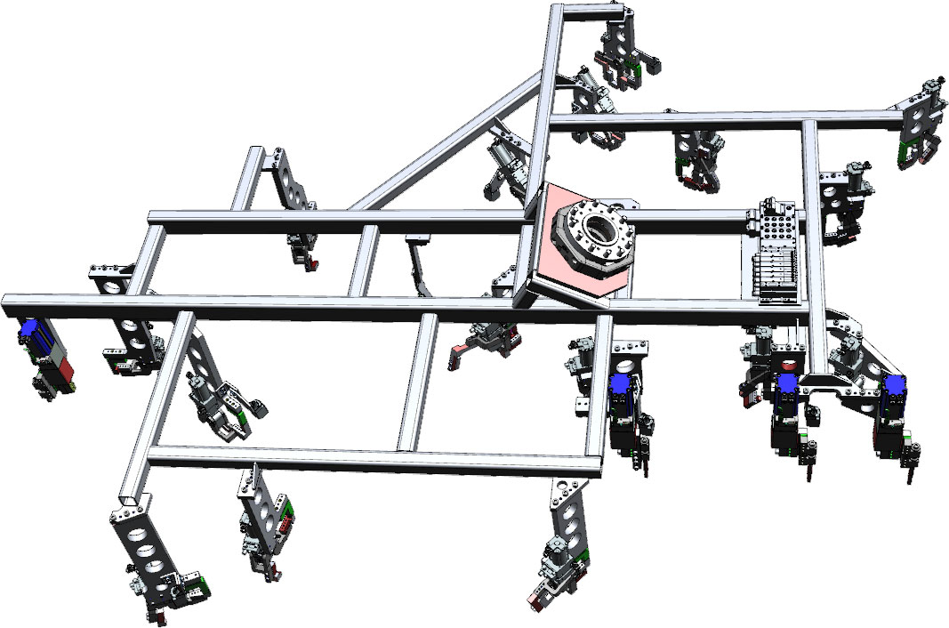 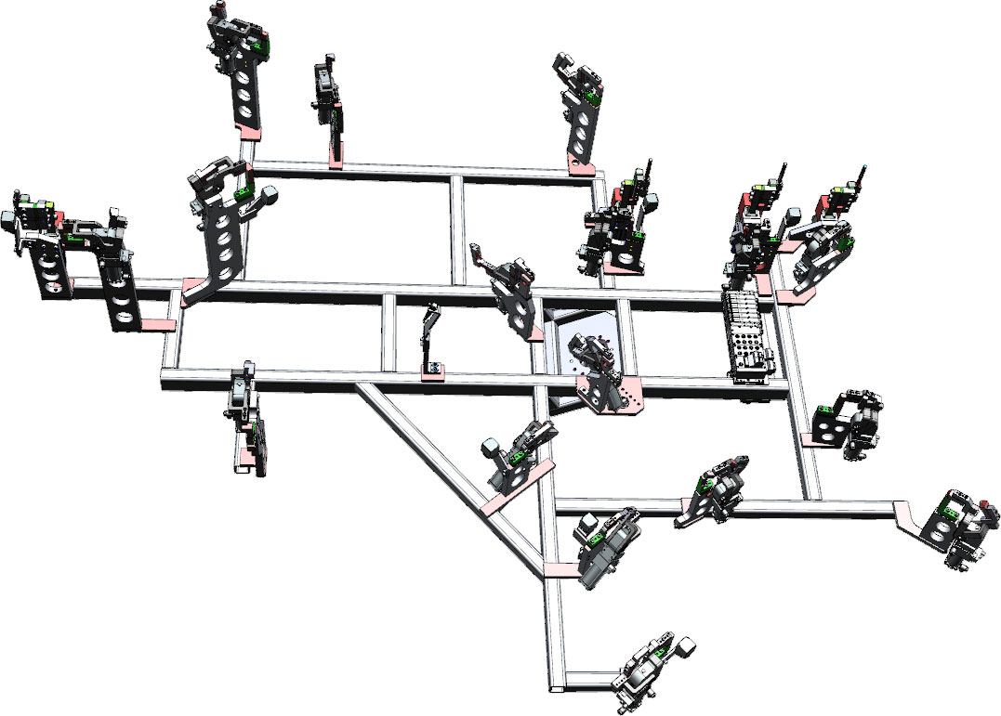

1
1
1
1
4
1
1

5
2
1
1
1

2
1

6
1
6
3
6
6
3
3
1
1
1
1

1
1

Temp Audit (2)
 |  |  | STANDARD MAINTENANCE PROCEDURE |  |  |  |  |  |  | SMP Nº : 0010

STATION: 2V09 |  |  | TASK SMP : 3 MONTH INSPECTION OF 2V10=V01AR31UQ41 MATERIAL HANDLING END OF ARM TOOLING |  |  |  |  | VALIDATION / STAMP |  | TIME (min): | 25

SUB-SYSTEM: AUTOMATED CELL - BODYSIDE LH |  |  |  |  |  |  |  | ENG |  | Created: 08/02/2023

LEDGER COMPONENTS : |  |  |  |  |  | MAN POWER | 1 | SAFETY |  | Review:
 |  |  |  |  |  |  |  |  |  | Frequency (x/year): 4
MANDATORY PPE: |  |  |  | SPECIFIC PPE: No special PPE beyond standard for this check. |  |  | HAZARDS: Electricity, Pinch Points, Robot Movement, Air

STEP | ITEM | INSTRUCTION |  |  | HAZARD |  | SAFETY PROCEDURES |  | TOOL | PARAMETER | ACTION (min)
1 | 1 | Visually inspect each clamping element attached to the End of Arm Tooling. Check the clamping element for secureness or for any missing components. If necessary, replace the clamping elements. |  |  |  |  |  |  | VISUAL | GOOD CONDITION | 2
2 |  | Visually inspect all electrical connections attached to the End of Arm Tooling. Check the electrical connections for any cuts, exposed or fraying wires, or loose connections. |  |  |  |  |  |  | VISUAL | GOOD CONDITION | 2
3 | 2 | Visually inspect all pneumatic connections and air lines attached to the End of Arm Tooling. Look for any cuts, kinks, or other damage to the air lines. Replace the connections or air lines with identical components as necessary. |  |  |  |  |  |  | VISUAL | GOOD CONDITION | 2
4 |  | Visually inspect the clamping element's pneumatic cylinders for any leaking or escaping air. Replace the pneumatic cylinders with an identical component. |  |  |  |  |  |  | VISUAL | GOOD CONDITION | 2
5 | 3 | Visually inspect the locating pins for any damage or wear. Verify the locating pins are free of any chips, damage, or broken off. Replace the locator pins with identical components. |  |  |  |  |  |  | VISUAL | GOOD CONDITION | 2
6 | 4 | Visually inspect the inductive sensors and proximity switches attached to the End of Arm Tooling for any damage or wear. Replace the inductive sensors or proximity sensors with identical components. |  |  |  |  |  |  | VISUAL | GOOD CONDITION | 2
7 | 5 | Visually inspect the RSP quick coupler for any damage, loose connections, or missing components. Replace the quick coupler's connections and components with identical ones. |  |  |  |  |  |  | VISUAL | GOOD CONDITION | 2
8 |  | Inspect the RSP quick coupler's security to the robot and End of arm Tooling. Verify that the End of Arm Tooling is secured. If required, replace the RSP quick coupler. |  |  |  |  |  |  | VISUAL | GOOD CONDITION | 5
9 | 6 | Visually inspect the Welker Shot Pins for any damage, chipped, or broken components. Replace the shot pins as necessary with identical components. |  |  |  |  |  |  | VISUAL | GOOD CONDITION | 2
10 | 7 | Visually inspect the rough locators for damage or wear. Verify the locators are free of any chips, damage, looseness, or broken off. Replace rough locator with identical components. |  |  |  |  |  |  | VISUAL | GOOD CONDITION | 2
11 |  | Remove any dirt, dust, or grime from the End of Arm Tooling by using a clean rag and a plant approved cleaning solution. |  |  |  |  |  |  | CLEAN RAG / CLEANING SOLUTION | CLEAN / GOOD CONDITION | 2
12
13

 |  |  | STANDARD MAINTENANCE PROCEDURE |  |  |  |  |  |  | SMP Nº : 0010

STATION: 2V09 |  |  | TASK SMP : 3 MONTH INSPECTION OF 2V10=V01AR31UQ41 MATERIAL HANDLING END OF ARM TOOLING

SUB-SYSTEM: AUTOMATED CELL - BODYSIDE LH

6
5
2
1
1
1
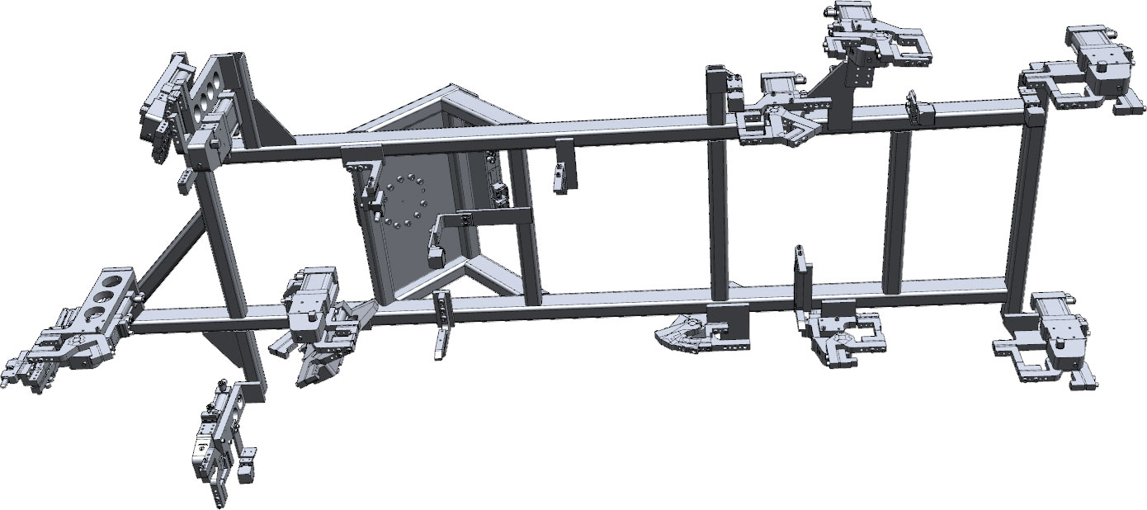 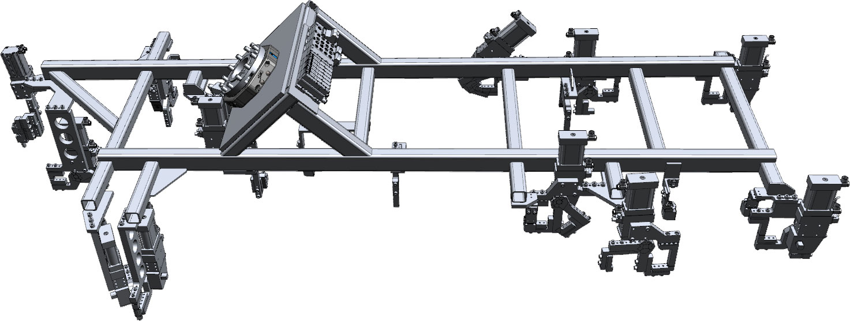

1

3
1
1
4
4
1
3
4
7
1
1

1
1
1
7
7

Temp Audit (3)
 |  |  | STANDARD MAINTENANCE PROCEDURE |  |  |  |  |  |  | SMP Nº : 0010

STATION: 2V09 |  |  | TASK SMP : 3 MONTH INSPECTION OF2V10=V01AR81UQ41 MATERIAL HANDLING END OF ARM TOOLING |  |  |  |  | VALIDATION / STAMP |  | TIME (min): | 25.5

SUB-SYSTEM: AUTOMATED CELL - BODYSIDE LH |  |  |  |  |  |  |  | ENG |  | Created: 08/02/2023

LEDGER COMPONENTS : |  |  |  |  |  | MAN POWER | 1 | SAFETY |  | Review:
 |  |  |  |  |  |  |  |  |  | Frequency (x/year): 4
MANDATORY PPE: |  |  |  | SPECIFIC PPE: No special PPE beyond standard for this check. |  |  | HAZARDS: Electricity, Pinch Points, Robot Movement, Air

STEP | ITEM | INSTRUCTION |  |  | HAZARD |  | SAFETY PROCEDURES |  | TOOL | PARAMETER | ACTION (min)
1 | 1 | Visually inspect each clamping element attached to the End of Arm Tooling. Check the clamping element for secureness or for any missing components. If necessary, replace the clamping elements. |  |  |  |  |  |  | VISUAL | GOOD CONDITION | 2
2 |  | Visually inspect all electrical connections attached to the End of Arm Tooling. Check the electrical connections for any cuts, exposed or fraying wires, or loose connections. |  |  |  |  |  |  | VISUAL | GOOD CONDITION | 2
3 | 2 | Visually inspect all pneumatic connections and air lines attached to the End of Arm Tooling. Look for any cuts, kinks, or other damage to the air lines. Replace the connections or air lines with identical components as necessary. |  |  |  |  |  |  | VISUAL | GOOD CONDITION | 2
4 |  | Visually inspect the clamping element's pneumatic cylinders for any leaking or escaping air. Replace the pneumatic cylinders with an identical component. |  |  |  |  |  |  | VISUAL | GOOD CONDITION | 2
5 | 3 | Visually inspect the Welker Shot Pin Cylinders for any damage or leaking air. If any damage is found, replace the cylinder with an identical component. |  |  |  |  |  |  | VISUAL | GOOD CONDITION | 2
6 | 4 | Visually inspect the inductive sensors attached to the End of Arm Tooling for any damage or wear. Replace the inductive sensors with identical components. |  |  |  |  |  |  | VISUAL | GOOD CONDITION | 2
7 | 5 | Visually inspect the RSP quick coupler for any damage, loose connections, or missing components. Replace the quick coupler's connections and components with identical ones. |  |  |  |  |  |  | VISUAL | GOOD CONDITION | 2
8 |  | Inspect the RSP quick coupler's security to the robot and End of arm Tooling. Verify that the End of Arm Tooling is secured. If required, replace the RSP quick coupler. |  |  |  |  |  |  | VISUAL | GOOD CONDITION | 5
9 | 6 | Visually inspect the locating pins for any damage or wear. Verify the locating pins are free of any chips, damage, or broken off. Replace the locator pins with identical components. |  |  |  |  |  |  | VISUAL | GOOD CONDITION | 2
10 |  | Remove any dirt, dust, or grime from the End of Arm Tooling by using a clean rag and a plant approved cleaning solution. |  |  |  |  |  |  | CLEAN RAG / CLEANING SOLUTION | CLEAN / GOOD CONDITION | 2
11 |  | Restore robot cell to operational state. |  |  |  |  |  |  |  | EQUIPMENT READY / NO ALARMS | 2.5
12
13

 |  |  | STANDARD MAINTENANCE PROCEDURE |  |  |  |  |  |  | SMP Nº : 0010

STATION: 2V09 |  |  | TASK SMP : 3 MONTH INSPECTION OF 2V10=V01AR81UQ41 MATERIAL HANDLING END OF ARM TOOLING

SUB-SYSTEM: AUTOMATED CELL - BODYSIDE LH

1
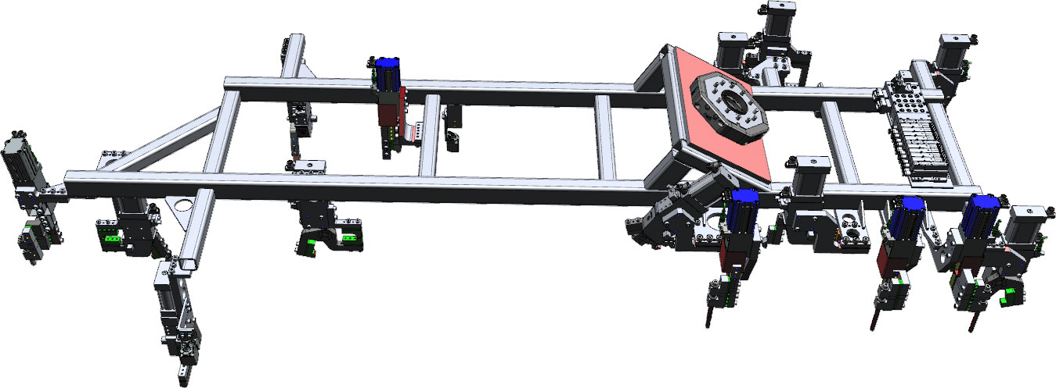 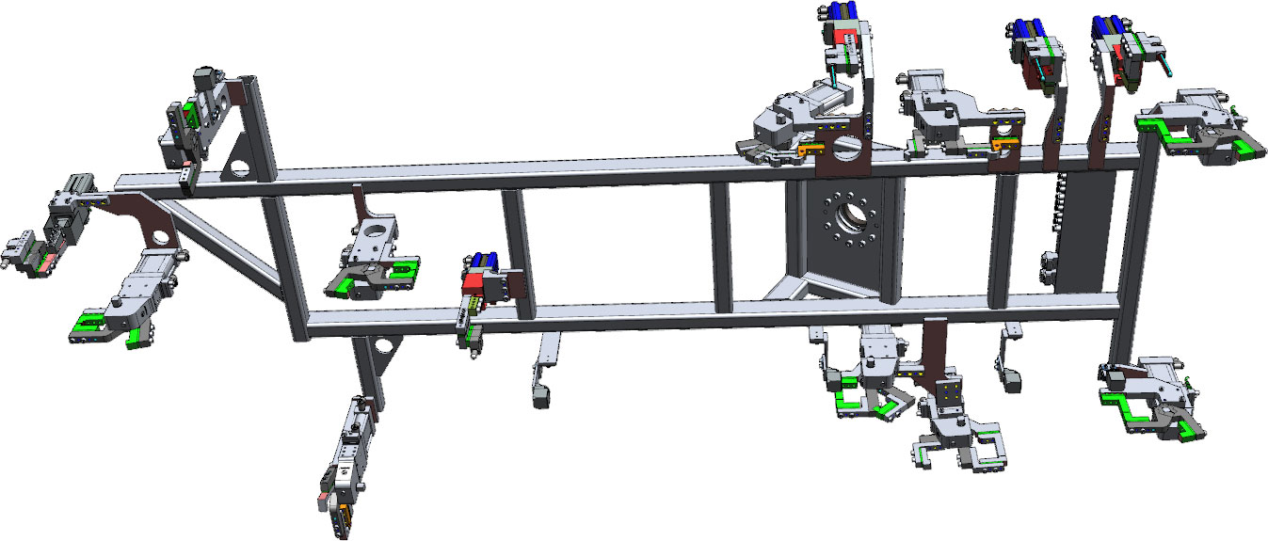
3
1
3
1
1

6

1

6
4
4
1
4

5
1

2

3

1
1
3
6
6
6
3

