Temp Audit
 |  |  | STANDARD MAINTENANCE PROCEDURE |  |  |  |  |  |  | SMP Nº : 0003

STATION: 2V12 |  |  | TASK SMP : MONTHLY INSPECTION OF MARRIAGE FIXTURE |  |  |  |  | VALIDATION / STAMP |  | TIME (min): | 12.5

SUB-SYSTEM: AUTOMATED CELL - REAR WALL HEADER AND DOOR RING RH |  |  |  |  |  |  |  | ENG |  | Created: 12/20/2022

LEDGER COMPONENTS : |  |  |  |  |  | MAN POWER | 1 | SAFETY |  | Review:
 |  |  |  |  |  |  |  |  |  | Frequency (x/year): 12
MANDATORY PPE: |  |  |  | SPECIFIC PPE: No special PPE beyond standard for this check. |  |  | HAZARDS: Electricity, Pinch Points, Air, Robot Movement

STEP | ITEM | INSTRUCTION |  |  | HAZARD |  | SAFETY PROCEDURES |  | TOOL | PARAMETER | ACTION (min)
1 |  | Lock out robot cell. |  |  |  |  |  |  | LOCK | UNABLE TO START CELL | 1
2 | 1 | Visually inspect the Tunkers Clamping Elements. Verify the clamping elements are secured and are free of any damage, excessive wear, or other outstanding damage. Replace the clamping elements with identical components if necessary. |  |  |  |  |  |  | VISUAL | GOOD CONDITION | 3
3 | 2 | Visually inspect the Turck Proximity switches for any damage, loose connections, fraying or exposed wires, or other outstanding wear. Replace the sensors with an identical component as necessary. |  |  |  |  |  |  | VISUAL | GOOD CONDITION | 2
4 |  | Use a clean rag and a plant approved cleaning solution to remove any dirt, dust, grime, build up, or other material from the marriage fixture. |  |  |  |  |  |  | CLEANING SOLUTION / CLEAN RAG | CLEAN | 2
5 | 3 | Visually inspect the Marriage Fixture's locating pins for any chipping or broken pins. Replace the pins as necessary. |  |  |  |  |  |  | VISUAL | GOOD CONDITION | 2
6 |  | Restore robot cell to operational state. |  |  |  |  |  |  |  | EQUIPMENT READY / NO ALARMS | 2.5
7
8
9
10
11
12
13

 |  |  | STANDARD MAINTENANCE PROCEDURE |  |  |  |  |  |  | SMP Nº : 00003

STATION: 2V12 |  |  | TASK SMP : MONTHLY INSPECTION OF MARRIAGE FIXTURE

SUB-SYSTEM: AUTOMATED CELL - REAR WALL HEADER AND DOOR RING RH

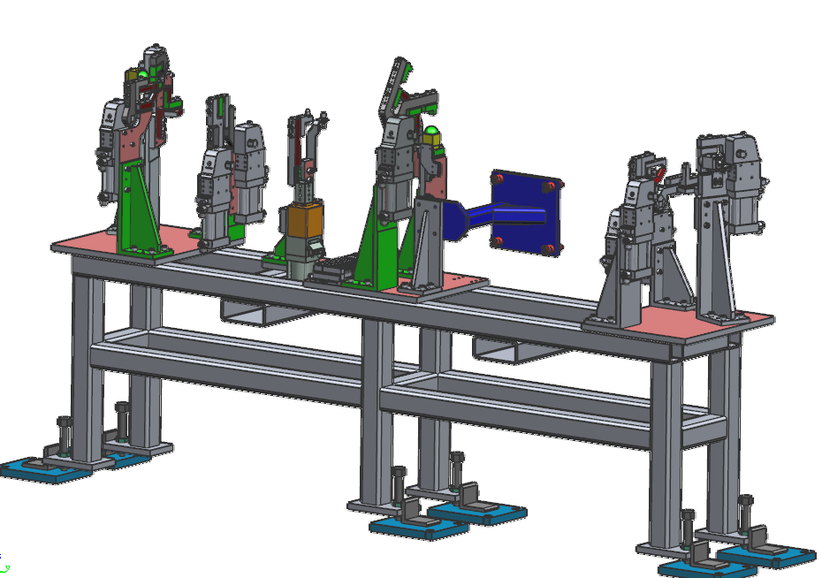
2
2
3
1
2

1

