Temp Audit
 |  |  | STANDARD MAINTENANCE PROCEDURE |  |  |  |  |  |  | SMP Nº : 0003

STATION: 2V13 |  |  | TASK SMP : MONTHLY INSPECTION OF PASS TABLE |  |  |  |  | VALIDATION / STAMP |  | TIME (min): | 9.5

SUB-SYSTEM: AUTOMATED CELL - SUB FLOOR CROSS MEMBER |  |  |  |  |  |  |  | ENG |  | Created: 03/03/2023

LEDGER COMPONENTS : |  |  |  |  |  | MAN POWER | 1 | SAFETY |  | Review:
 |  |  |  |  |  |  |  |  |  | Frequency (x/year): 12
MANDATORY PPE: |  |  |  | SPECIFIC PPE: No special PPE beyond standard for this check. |  |  | HAZARDS: Electricity, Pinch Points, Air, Robot Movement

STEP | ITEM | INSTRUCTION |  |  | HAZARD |  | SAFETY PROCEDURES |  | TOOL | PARAMETER | ACTION (min)
1 |  | Lock out robot cell. |  |  |  |  |  |  | LOCK | UNABLE TO START CELL | 1
2 |  | Use a clean rag and a plant approved cleaning solution to remove any dirt, dust, grime, build up, or other material from the marriage fixture. |  |  |  |  |  |  | CLEANING SOLUTION / CLEAN RAG | CLEAN | 2
3 | 1 | Visually inspect the Turck Proximity switches for any damage, loose connections, fraying or exposed wires, or other outstanding wear. Replace the sensors with an identical component as necessary. |  |  |  |  |  |  | VISUAL | GOOD CONDITION | 2
4 | 2 | Visually insepct the I/O module mounted on the Pass Table for any damage, missing or loose conenctions, fraying or exposed wires, or other outstanding damage. Replace the I/O module with an identical one if damage is found. |  |  |  |  |  |  | VISUAL | GOOD CONDITION | 2
5 |  | Restore robot cell to operational state. |  |  |  |  |  |  |  | EQUIPMENT READY / NO ALARMS | 2.5
6
7
8
9
10
11
12
13

 |  |  | STANDARD MAINTENANCE PROCEDURE |  |  |  |  |  |  | SMP Nº : 00003

STATION: 2V13 |  |  | TASK SMP : MONTHLY INSPECTION OF PASS TABLE

SUB-SYSTEM: AUTOMATED CELL - SUB FLOOR CROSS MEMBER

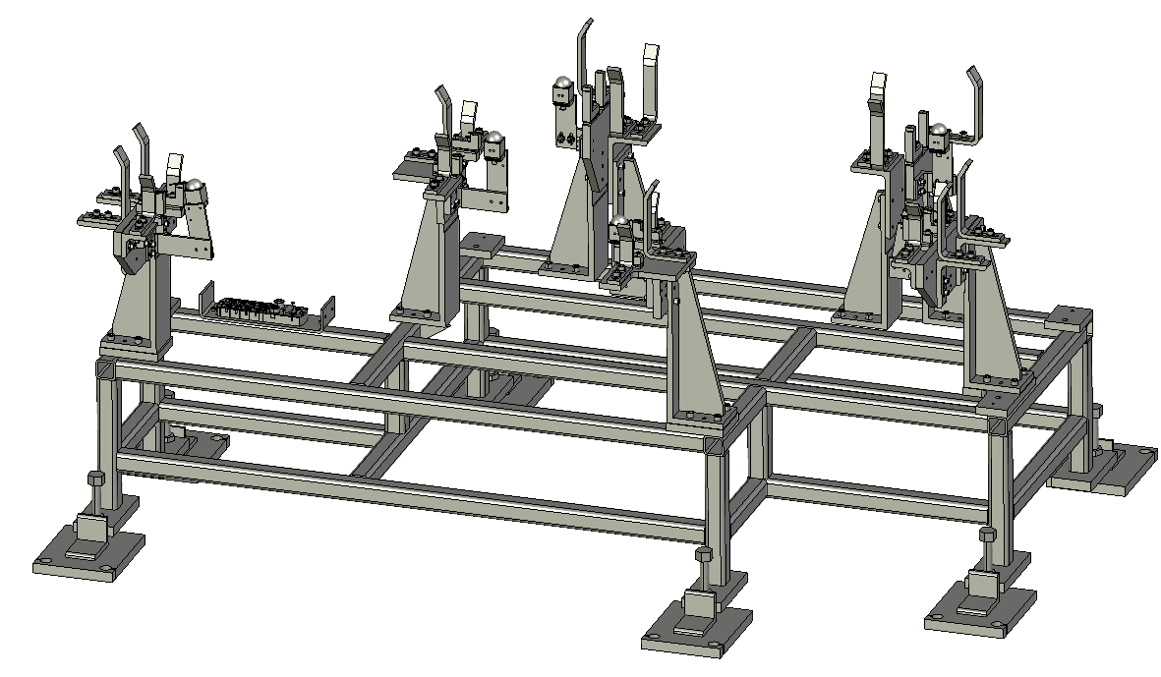
1
2
1
1
1

